ARC from Robyn
Protein (g sheep, kg cattle) | Scaled birth weight | Param | Param | Param | days after conception |  |  |  |  | SCA utilises ARC (1980)
Pr | SWB | A | B | C | t
 | 0.75 | 5.358 | 15.229 | 0.00538 |  | Calf | 30
 |  | 8.536 | 13.12 | 0.00262 |  | Uterus

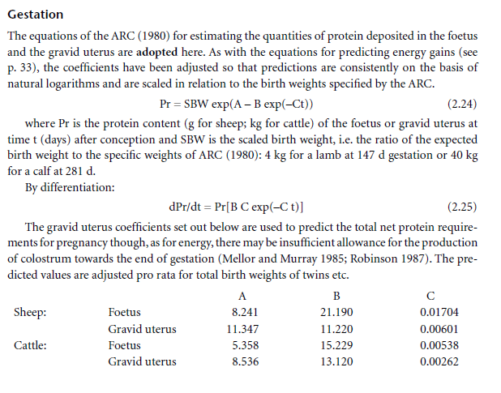
t (weeks) | t (days) | Pr Calf | Pr Uterus | Pr total |  | dPr/dt (F) | Pr(day) | Pr tot (day) | N by day
1 | 7 | 6.8012224994E-05 | 0.0097230654202 | 0.0097910776452 |  | 5.5424800797E-06 | 0.00079235602731 | 0.00079789850739 | 0.00012766376118
2 | 14 | 0.00011694963391 | 0.012287663179 | 0.012404612813 |  | 9.4793709895E-06 | 0.0009959784736 | 0.0010054578446 | 0.00016087325513
3 | 21 | 0.00019711061016 | 0.015462788887 | 0.015659899497 |  | 1.5891106993E-05 | 0.0012466139312 | 0.0012625050382 | 0.00020200080611
4 | 28 | 0.00032586818874 | 0.019377260066 | 0.019703128255 |  | 2.613061383E-05 | 0.0015538175169 | 0.0015799481307 | 0.00025279170092
5 | 35 | 0.00052881583502 | 0.024183318084 | 0.024712133919 |  | 4.2176990914E-05 | 0.0019287992521 | 0.001970976243 | 0.00031535619888
6 | 42 | 0.00084293813413 | 0.03006012299 | 0.030903061124 |  | 6.686984831E-05 | 0.0023846540844 | 0.0024515239328 | 0.00039224382924
7 | 49 | 0.0013206962351 | 0.03721763231 | 0.038538328545 |  | 0.00010420800267 | 0.0029366140556 | 0.0030408220582 | 0.00048653152932
8 | 56 | 0.0020351797496 | 0.045900884271 | 0.04793606402 |  | 0.00015972187526 | 0.0036023232412 | 0.0037620451165 | 0.00060192721864
9 | 63 | 0.0030864666143 | 0.056394703854 | 0.059481170468 |  | 0.00024092768474 | 0.004402135882 | 0.0046430635667 | 0.00074289017067
10 | 70 | 0.0046093099256 | 0.069028847476 | 0.073638157401 |  | 0.00035786937091 | 0.0053594378811 | 0.005717307252 | 0.00091476916031
11 | 77 | 0.0067822346307 | 0.084183598939 | 0.09096583357 |  | 0.00052375107212 | 0.0065009915758 | 0.0070247426479 | 0.0011239588237
12 | 84 | 0.00983807677 | 0.10229582567 | 0.11213390244 |  | 0.0007556589279 | 0.0078573033895 | 0.0086129623174 | 0.0013780739708
13 | 91 | 0.014075934383 | 0.1238655 | 0.13794143439 |  | 0.0010753660958 | 0.0094630136462 | 0.010538379742 | 0.0016861407587
14 | 98 | 0.019874424073 | 0.14946268572 | 0.1693371098 |  | 0.0015102093487 | 0.011357307484 | 0.012867516832 | 0.0020588026932
15 | 105 | 0.027706053649 | 0.17973498467 | 0.20744103832 |  | 0.002094019726 | 0.013584345433 | 0.015678365159 | 0.0025085384255
16 | 112 | 0.038152433331 | 0.21541543292 | 0.25356786625 |  | 0.0028680837935 | 0.016193711857 | 0.019061795651 | 0.0030498873042
17 | 119 | 0.051919960752 | 0.25733082973 | 0.30925079048 |  | 0.0038821064916 | 0.01924087904 | 0.023122985531 | 0.003699677685
18 | 126 | 0.069855533827 | 0.3064104765 | 0.37626601033 |  | 0.0051951417346 | 0.022787684342 | 0.027982826077 | 0.0044772521723
19 | 133 | 0.092961776155 | 0.36369529614 | 0.45665707229 |  | 0.0068764532267 | 0.026902817438 | 0.033779270665 | 0.0054046833064
20 | 140 | 0.12241120711 | 0.43034729661 | 0.55275850372 |  | 0.0090062657298 | 0.031662314267 | 0.040668579997 | 0.0065069727995
21 | 147 | 0.15955875783 | 0.50765933578 | 0.66721809361 |  | 0.011676366505 | 0.037150053967 | 0.048826420472 | 0.0078122272755
22 | 154 | 0.20595202819 | 0.59706513766 | 0.80301716584 |  | 0.014990518014 | 0.043458254724 | 0.058448772738 | 0.0093518036381
23 | 161 | 0.26333870049 | 0.70014950359 | 0.96348820408 |  | 0.019064646251 | 0.050687964147 | 0.069752610398 | 0.011160417664
24 | 168 | 0.33367057385 | 0.81865865558 | 1.1523292294 |  | 0.024026774207 | 0.05894953949 | 0.082976313697 | 0.013276210192
25 | 175 | 0.41910375714 | 0.95451064251 | 1.3736143996 |  | 0.030016676776 | 0.068363112826 | 0.098379789602 | 0.015740766336
26 | 182 | 0.52199465606 | 1.1098057347 | 1.6318003907 |  | 0.037185241566 | 0.079059036056 | 0.11624427762 | 0.018599084419
27 | 189 | 0.64489150669 | 1.2868367265 | 1.9317282332 |  | 0.045693529252 | 0.091178300528 | 0.13687182978 | 0.021899492765
28 | 196 | 0.79052133881 | 1.4880990631 | 2.2786204019 |  | 0.055711536859 | 0.10487292592 | 0.16058446278 | 0.025693514045
29 | 203 | 0.9617723917 | 1.7163007021 | 2.6780730938 |  | 0.06741667721 | 0.12030631304 | 0.18772299025 | 0.030035678441
30 | 210 | 1.1616721461 | 1.9743716193 | 3.1360437654 |  | 0.080991997334 | 0.13765355523 | 0.21864555257 | 0.034983288411
31 | 217 | 1.3933612738 | 2.2654728641 | 3.6588341379 |  | 0.096624167361 | 0.15710170312 | 0.25372587048 | 0.040596139277
32 | 224 | 1.6600639326 | 2.5930050708 | 4.2530690034 |  | 0.11450127912 | 0.17884997773 | 0.29335125685 | 0.046936201096
33 | 231 | 1.9650549481 | 2.9606163289 | 4.925671277 |  | 0.13481049983 | 0.20310992703 | 0.33792042686 | 0.054067268298
34 | 238 | 2.3116245144 | 3.3722093186 | 5.683833833 |  | 0.15773563089 | 0.23010552148 | 0.38784115237 | 0.062054584379
35 | 245 | 2.7030411188 | 3.8319476181 | 6.534988737 |  | 0.18345462441 | 0.2600731843 | 0.44352780871 | 0.070964449394
36 | 252 | 3.1425134404 | 4.3442610935 | 7.4867745339 |  | 0.2121371114 | 0.29326175274 | 0.50539886413 | 0.080863818261
37 | 259 | 3.6331519936 | 4.9138502821 | 8.5470022757 |  | 0.2439419942 | 0.32993236703 | 0.57387436123 | 0.091819897796
38 | 266 | 4.1779312863 | 5.5456896904 | 9.7236209768 |  | 0.27901515393 | 0.37035828417 | 0.6493734381 | 0.1038997501
39 | 273 | 4.7796532335 | 6.2450299287 | 11.024683162 |  | 0.31748731908 | 0.41482461442 | 0.7323119335 | 0.11716990936
40 | 280 | 5.4409125217 | 7.0173986126 | 12.458311134 |  | 0.35947213683 | 0.46362797861 | 0.82310011544 | 0.13169601847

Marcondes et al
 |  |  |  |  |  | https://www.sciencedirect.com/science/article/pii/S002203022300588X
 | A | 0.049
 | B | 0.0178
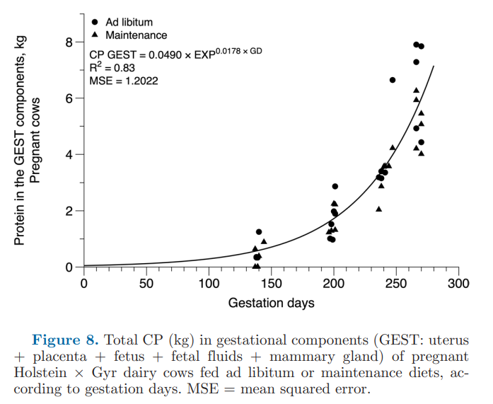
Weeks | Days | CP | N | CP (day) | N per day
1 | 7 | 0.055502068932 | 0.0088803310291 | 0.00098793682699 | 0.00015806989232
2 | 14 | 0.06286693175 | 0.01005870908 | 0.0011190313851 | 0.00017904502162
3 | 21 | 0.071209077133 | 0.011393452341 | 0.001267521573 | 0.00020280345167
4 | 28 | 0.080658185869 | 0.012905309739 | 0.0014357157085 | 0.00022971451336
5 | 35 | 0.091361146776 | 0.014617783484 | 0.0016262284126 | 0.00026019654602
6 | 42 | 0.10348434012 | 0.01655749442 | 0.0018420212542 | 0.00029472340067
7 | 49 | 0.11721622406 | 0.01875459585 | 0.0020864487883 | 0.00033383180612
8 | 56 | 0.13277026424 | 0.021243242278 | 0.0023633107035 | 0.00037812971255
9 | 63 | 0.1503882522 | 0.024062120352 | 0.0026769108892 | 0.00042830574227
10 | 70 | 0.17034406409 | 0.027255050254 | 0.0030321243408 | 0.00048513989452
11 | 77 | 0.19294791811 | 0.030871666897 | 0.0034344729423 | 0.00054951567076
12 | 84 | 0.21855119696 | 0.034968191513 | 0.0038902113059 | 0.00062243380894
13 | 91 | 0.24755191018 | 0.039608305629 | 0.0044064240012 | 0.00070502784019
14 | 98 | 0.28040088128 | 0.044864141006 | 0.0049911356869 | 0.0007985817099
15 | 105 | 0.31760875595 | 0.050817400952 | 0.0056534358559 | 0.00090454973695
16 | 112 | 0.35975394013 | 0.05756063042 | 0.0064036201343 | 0.0010245792215
17 | 119 | 0.4074915915 | 0.06519865464 | 0.0072533503287 | 0.0011605360526
18 | 126 | 0.46156380409 | 0.073850208655 | 0.0082158357129 | 0.0013145337141
19 | 133 | 0.52281114431 | 0.08364978309 | 0.0093060383688 | 0.001488966139
20 | 140 | 0.59218571776 | 0.094749714841 | 0.010540905776 | 0.0016865449242
21 | 147 | 0.67076596995 | 0.10732255519 | 0.011939634265 | 0.0019103414824
22 | 154 | 0.75977345104 | 0.12156375217 | 0.013523967429 | 0.0021638347886
23 | 161 | 0.86059180515 | 0.13769468882 | 0.015318534132 | 0.0024509654611
24 | 168 | 0.97478827943 | 0.15596612471 | 0.017351231374 | 0.0027761970198
25 | 175 | 1.1041380873 | 0.17666209397 | 0.019653657954 | 0.0031445852727
26 | 182 | 1.2506520048 | 0.20010432076 | 0.022261605685 | 0.0035618569095
27 | 189 | 1.4166076281 | 0.2266572205 | 0.02521561578 | 0.0040344985249
28 | 196 | 1.6045847801 | 0.25673356482 | 0.028561609086 | 0.0045698574537
29 | 203 | 1.8175056137 | 0.2908008982 | 0.032351599924 | 0.0051762559879
30 | 210 | 2.0586800379 | 0.32938880606 | 0.036644504675 | 0.0058631207479
31 | 217 | 2.3318571709 | 0.37309714734 | 0.041507057641 | 0.0066411292226
32 | 224 | 2.6412836212 | 0.42260537939 | 0.047014848457 | 0.0075223757531
33 | 231 | 2.9917695023 | 0.47868312036 | 0.05325349714 | 0.0085205595424
34 | 238 | 3.388763207 | 0.54220211312 | 0.060319985084 | 0.0096511976135
35 | 245 | 3.8384361043 | 0.61414977668 | 0.068324162656 | 0.010931866025
36 | 252 | 4.3477784745 | 0.69564455592 | 0.077390456846 | 0.012382473095
37 | 259 | 4.9247081753 | 0.78795330805 | 0.087659805521 | 0.014025568883
38 | 266 | 5.5781937269 | 0.8925109963 | 0.099291848338 | 0.015886695734
39 | 273 | 6.3183937295 | 1.0109429967 | 0.11246740838 | 0.017994785342
40 | 280 | 7.1568147819 | 1.1450903651 | 0.12739130312 | 0.020382608499

